Sheet1


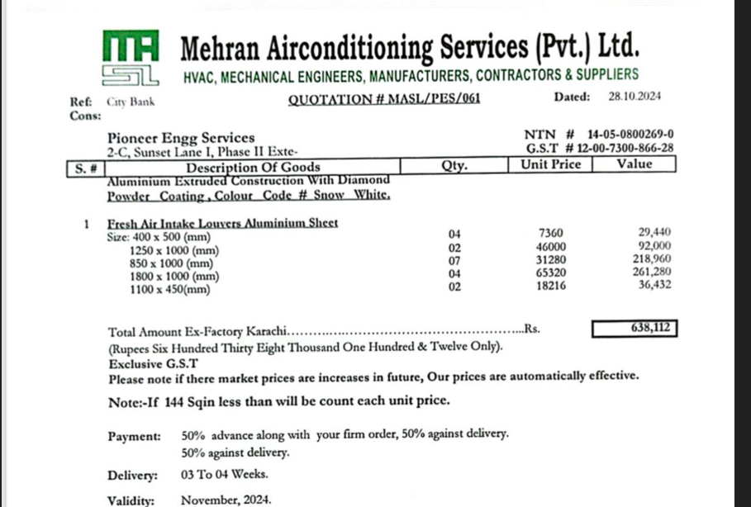

M/S IK Associates |  |  |  |  |  |  | 2024-12-14

Project: Citi bank DMC Karachi

Attn: Syed Talal

Variation order for Air Devices

S. # | Description | Material Rate | Installation Rate | Over Head profit 25% | Unit | Qty | Amount
 | Supply and installation of Fresh air intake louvers
 | i) 400 x 500 mm | 7,360 | 5,000 | 3,090 | Nos | 4 | 61,800
 | ii) 1250 x 1000 mm | 46,000 | 10,000 | 14,000 | Nos | 2 | 140,000
 | iii) 850 x 1000 mm | 31,280 | 10,000 | 10,320 | Nos | 7 | 361,200
 | iv) 1800 x 1000 mm | 65,320 | 10,000 | 18,830 | Nos | 4 | 376,600
 | v) 1100 x 450 mm | 18,216 | 10,000 | 7,054 | Nos | 2 | 70,540
Total Amount Rs. |  |  |  |  |  |  | 1,010,140

Note: Vendor's quotation attached

Thanking you,

For PIONEER ENGINEERING SERVICES.

Bilal Habib

